Sheet1
 |  | TID | Item List
 |  | 100 | 1,3,5,7
 |  | 200 | 2,5,6
 |  | 300 | 1,2,5,7
 |  | 400 | 1,4,6
 |  | 500 | 1,3,5,6
Minimum support = 3
Minimum Confidence =40%
 |  | 600 | 3,6,7
 |  | 700 | 1,2,3,5
 |  | 800 | 2,3,4,5,7

Q1.)
Generate 1-item set frequent pattern

Do not include 4 because the count of 2 is less than the minimum support of 3
Compare with the
Minimum support = 3
 | Item set | Count |  |  |  | Item set | Count
 | 1 | 5 |  |  |  | 1 | 5
 | 2 | 4 |  |  |  | 2 | 4
 | 3 | 5 |  |  |  | 3 | 5
 | 4 | 2 |  |  |  | 5 | 6
 | 5 | 6 |  |  |  | 6 | 4
 | 6 | 4 |  |  |  | 7 | 4
 | 7 | 4

Generate 2-item set frequent pattern

Compare with the
Minimum support = 3
 | Item set | Count |  |  |  | Item set | Count
 | 1,2 | 2 |  |  |  | 1,3 | 3
 | 1,3 | 3 |  |  |  | 1,5 | 4
 | 1,5 | 4 |  |  |  | 2,5 | 4
 | 1,6 | 2 |  |  |  | 3,5 | 4
 | 1,7 | 2 |  |  |  | 3,7 | 3
 | 2,3 | 2 |  |  |  | 5,7 | 3
 | 2,5 | 4
 | 2,6 | 1
 | 2,7 | 2
 | 3,5 | 4
 | 3,6 | 2
 | 3,7 | 3
 | 5,6 | 2
 | 5,7 | 3
 | 6,7 | 1

Generate 3-item set frequent pattern

Compare with the
Minimum support = 3
1,3,5
1,3,2 | Item set | Count |  |  |  | Item set | Count
1,3,7 | 1,3,5 | 3 |  |  |  | 1,3,5 | 3
1,5,2 | 3,5,7 | 2
1,5,7
2,5,3
2,5,7
3,5,7
3,7,2
5,7,1

Generating Association Rules

 | L2 = | 1,3 | 1,5 | 2,5 | 3,5 | 3,7 | 5,7

 | Rule | Conf | Conf % |  |  | Rule | Conf | Conf %
 | 1--3 | 3/5 | 60% |  |  | 3--1 | 3/5 | 60%
 | 1--5 | 4/5 | 80% |  |  | 5--1 | 4/6 | 67%
 | 2--5 | 4/4 | 100% |  |  | 5--2 | 4/6 | 67%
 | 3--5 | 4/5 | 80% |  |  | 5--3 | 4/6 | 67%
 | 3--7 | 3/5 | 60% |  |  | 7--3 | 3/4 | 75%
 | 5--7 | 3/6 | 50% |  |  | 7--5 | 3/4 | 75%

 | L3 = | 1,3,5

 | Rule | Conf | Conf %
 | 1,3--5 | 3/3 | 100%
 | 1,5--3 | 3/4 | 75%
 | 3,5--1 | 3/4 | 75%
 | 5--1,3 | 3/6 | 50%
 | 3--1,5 | 3/5 | 60%
 | 1--3,5 | 3/5 | 60%

Generating Lift Calculation

$$\frac{\frac{3}{8}}{\frac{5}{8}∗\frac{5}{8}}$$
$$\frac{\frac{4}{8}}{\frac{5}{8}∗\frac{6}{8}}$$
$$\frac{\frac{4}{8}}{\frac{5}{8}∗\frac{6}{8}}$$
$$\frac{\frac{3}{8}}{\frac{5}{8}∗\frac{4}{8}}$$
 | Rule | Work |  | Lift |  | Rule | Work |  | Lift
 | 1--3 |  |  | 0.96 |  | 3--5 |  |  | 1.067
 | 1--5 |  |  | 1.067 |  | 3--7 |  |  | 1.067
$$\frac{\frac{4}{8}}{\frac{4}{8}∗\frac{6}{8}}$$
$$\frac{\frac{3}{8}}{\frac{6}{8}∗\frac{4}{8}}$$
 | 2--5 |  |  | 1.333 |  | 5--7 |  |  | 1.000

$$\frac{\frac{3}{8}}{\frac{3}{8}∗\frac{6}{8}}$$
$$\frac{\frac{3}{8}}{\frac{6}{8}∗\frac{3}{8}}$$
$$\frac{\frac{3}{8}}{\frac{4}{8}∗\frac{5}{8}}$$
$$\frac{\frac{3}{8}}{\frac{5}{8}∗\frac{4}{8}}$$
 | Rule | Work |  | Lift |  | Rule | Work |  | Lift
 | 1,3--5 |  |  | 1.333 |  | 5--1,3 |  |  | 1.333
 | 1,5--3 |  |  | 1.2 |  | 3--1,5 |  |  | 1.2
$$\frac{\frac{3}{8}}{\frac{4}{8}∗\frac{5}{8}}$$
$$\frac{\frac{3}{8}}{\frac{5}{8}∗\frac{4}{8}}$$
 | 3,5--1 |  |  | 1.2 |  | 1--3,5 |  |  | 1.2

Q2.)a | SAS OutPut

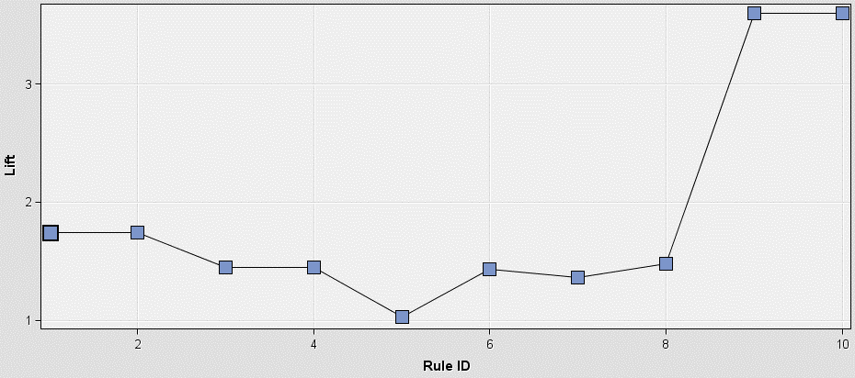

I would Stock the isles so that Greeting Cards and Candy are in the same isle. I would then have the isles surronding greetings cards be Magazines and Pencils/office supplies. I would alos consider advertising Toothpaste with Candy ads and say that a specific brand of toothpaste helps with tooth decay after eating candy since shoppers are likely to buy toothepaste and candy.
Q2.)a

